Turn Record
 | Date | Special | Enter "1" on 1st CSA Inf. Crossing Potomac | Random Event | Confederate Operational / Passive | Union Operational / Passive | Union Depot Placement | Union Depot Removal | Confederate Depot Removal | Potomac River Crossing (Column D) Forage and County Control Effects | Instructions for Use
June | 3 | Movement Restrictions | 0 |  |  |  |  |  |  | Turns 1 - 14 = No impact on Forage Values | 1) Enter the random event each turn (see table for result)
 | 4 | Movement Restrictions | 0 |  |  |  |  |  |  | Turns 15 - 24 = Plus 1 on CSA Forage Values | 2) Indicate whether each player is Passive or Operational each turn
 | 5 | Movement Restrictions | 0 |  |  |  |  |  |  | Turns 25+ = Plus 2 on CSA Forage values | 3) On the first turn that a Confederate infantry unit crosses the Potomac place a "1" in the appropriate box.
 | 6 | CSA Reinforcements (Pickett & Pettigrew) | 0 |  |  |  |  |  |  | Turns 30+ Double County Control Victory Points | 4) The sheet will then immediately calculate when the CSA forage penalties go into effect as well as the double victory points for county control
 | 7 |  | 0 |  |  |  |  |  |  |  | 5) On the indicated Depot Event turns record which USA and CSA depots will be removed or placed during the next Depot Event.
 | 8 | Depot Event | 0 |  |  |  |  |  |  |  | 6) June 28 -The game will end if there are no CSA infantry units north of the Potomac at the end of this turn or thereafter
 | 9 |  | 0 |  |  |  |  |  |  |  | 7) July 7 - Scenario 11 will end at the end of this turn
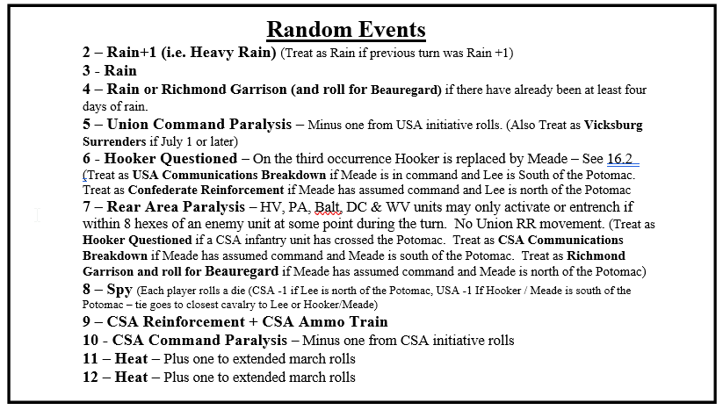
 | 10 |  | 0
 | 11 |  | 0
 | 12 |  | 0
 | 13 |  | 0
 | 14 | Depot Event | 0
 | 15 |  | 0
 | 16 |  | 0
 | 17 |  | 0
 | 18 |  | 0
 | 19 |  | 0
 | 20 | Depot Event | 0
 | 21 |  | 0
 | 22 |  | 0
 | 23 |  | 0
 | 24 |  | 0
 | 25 |  | 0
 | 26 | Depot Event | 0
 | 27 |  | 0
 | 28 |  | 0
 | 29 |  | 0
 | 30 | Game end if CSA Inf not across the Potomac | 0
July | 1 | Historic Gettysburg Battle | 0
 | 2 | Depot Event | 0
 | 3 |  | 0 |  |  |  |  |  |  | Turns 1 - 14 = No impact on Forage Values
 | 4 |  | 0 |  |  |  |  |  |  | Turns 15 - 24 = Plus 1 on CSA Forage Values
 | 5 |  | 0 |  |  |  |  |  |  | Turns 25+ = Plus 2 on CSA Forage values
 | 6 |  | 0 |  |  |  |  |  |  | Turns 30+ Double County Control Victory Points
 | 7 | Game End - High Tide of the Confederacy | 0
 | 8 | Depot Event | 0
 | 9 |  | 0
 | 10 |  | 0
 | 11 |  | 0
 | 12 |  | 0
 | 13 |  | 0
 | 14 | Depot Event | 0
 | 15 |  | 0
 | 16 |  | 0
 | 17 |  | 0
 | 18 |  | 0
 | 19 |  | 0
 | 20 | Depot Event | 0
 | 21 |  | 0 |  |  |  |  |  |  | Turns 1 - 14 = No impact on CSA forage rolls
 | 22 | Historic End of Campaign | 0 |  |  |  |  |  |  | Turns 15 - 24 = Plus 1 on CSA forage rolls
 | 23 |  | 0 |  |  |  |  |  |  | Turns 25+ = Plus 2 on CSA forage rolls
 | 24 |  | 0 |  |  |  |  |  |  | Turns 30+ Double County Control Victory Points
 | 25 |  | 0
 | 26 | Depot Event | 0
 | 27 |  | 0
 | 28 |  | 0
 | 29 |  | 0
 | 30 |  | 0
 | 31 | Game End - The Gettysburg Campaign | 0

